Sheet1
For example, the exciting current of a typical power transformer is about 1 to 2 percent of full-load current. Electric Machinery by Fitzgerald page 68

 | Perm. Of iron core | 0.001256 |  |  |  |  |  |  |  |  | Take 5% (2% de çok az geldi yha)
 | V1 | 34500
 | V2 | 400
 | S | 1000000
 | I | 28.985507246
 | Imgn | 1.4492753623
 | Xmgn | 23805 | Sec. Turns | Pri. Turns | Winding Area (mm2) | a (mm) |  | L=N2.a2.perm.STACK/12a (ind. Formülü)
 | Lmgn | 75.812101911 | 1 | 86.25 | 1388.8888889 | 26.352313835
 | Turns Ratio | 86.25 | 2 | 172.5 | 2777.7777778 | 37.267799625
 | J | 3 | 3 | 258.75 | 4166.6666667 | 45.643546459 |  | Stack= | 1 | 2 | 3 | 4 | 5
 |  |  | 4 | 345 | 5555.5555556 | 52.704627669 |  | N2.a = | 724319.44501 | 362159.7225 | 241439.815 | 181079.86125 | 144863.889
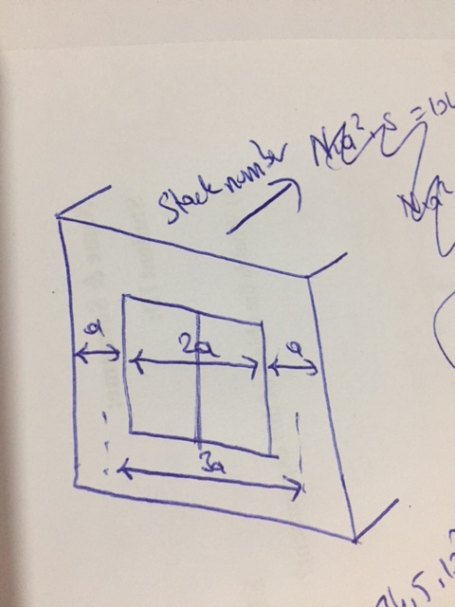
 |  |  | 5 | 431.25 | 6944.4444444 | 58.925565099
 |  |  | 6 | 517.5 | 8333.3333333 | 64.549722437
 |  |  | 7 | 603.75 | 9722.2222222 | 69.721668878

 |  |  |  |  |  |  |  |  |  |  |  |  | SOLUTION:
 |  |  | Sec. Turns | Pri. Turns | N2 | a(1) | a(2) | a(3) | a(4) | a(5)
 |  |  | 1 | 86.25 | 7439.0625 | 97.367033145 | 48.683516573 | 32.455677715 | 24.341758286 | 19.473406629 |  |  | a=0.7 m | Npri=517
 |  |  | 2 | 172.5 | 29756.25 | 24.341758286 | 12.170879143 | 8.1139194288 | 6.0854395716 | 4.8683516573 |  |  | Core is as shown on figure
 |  |  | 3 | 258.75 | 66951.5625 | 10.818559238 | 5.4092796192 | 3.6061864128 | 2.7046398096 | 2.1637118477 |  |  | Resulting Lm= 78 H which results in less than 5% magnetization current
 |  |  | 4 | 345 | 119025 | 6.0854395716 | 3.0427197858 | 2.0284798572 | 1.5213598929 | 1.2170879143 |  |  | Required winding easily fits the window area
 |  |  | 5 | 431.25 | 185976.5625 | 3.8946813258 | 1.9473406629 | 1.2982271086 | 0.97367033145 | 0.77893626516
 |  |  | 6 | 517.5 | 267806.25 | 2.7046398096 | 1.3523199048 | 0.9015466032 | 0.6761599524 | 0.54092796192
 |  |  | 7 | 603.75 | 364514.0625 | 1.9870823091 | 0.99354115454 | 0.6623607697 | 0.49677057727 | 0.39741646182

